Introduction
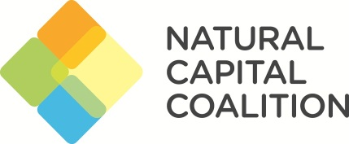

 | Where in the world?
 | Mapping global conditions for scaling natural capital approaches

The natural capital community is fast moving towards national level initiatives which aim to link business and policy efforts together, for mutual benefit. We wanted to better understand where this work was already happening, and where we thought there might be the strongest enabling conditions to enable it to scale.

This analysis is based on a set of criteria, subjectively identified as being indicative of expertise, experience on enthusiasm in areas of green economy and/or natural capital.

The version presented here has not added any weighting to these criteria, but we would be interested to hear your suggestions on this. This analysis does not include any qualitative review or scoring of any public reports, articles, governmental strategies, ongoing projects or case studies, but would like to consider this in later versions.

We want you to please take and use this starting point: add to it, crtique it, expand it… And to let us know your suggestions!

 | This analysis forms part of the Economics4Nature Programme, led by the MAVA Foundation.

